Sheet1
PIONEER SERVICES

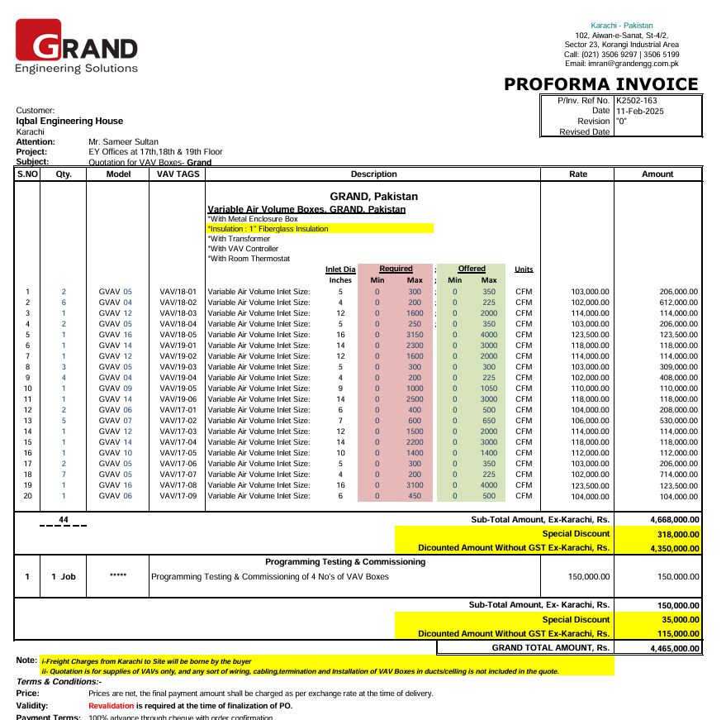

M/S Shan Controls |  |  |  |  |  | 13-Jun-25
 |  |  |  |  |  | PO # 15
Att: Mr. Imran

PURCHASE ORDER against quote Ref # P2402-013

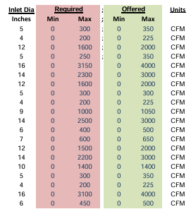
Supply of VAVs for Bank Al Habib 12th Floor Center Point Karachi
S No. | D e s c r i p t i o n | VAV Tag # | Qty | Unit | Rate | Amount
 | Variable Air Volume Boxes, GRAND, Pakistan *With Metal Enclosure Box *Insulation : 1" Fiberglass Insulation *With Transformer *With VAV Controller *With Room Thermostat
1 | Variable Air Volume | VAV-18-01 | 2 | Nos | 103,000 | 206,000
2 | Variable Air Volume | VAV-18-02 | 6 | Nos | 102,000 | 612,000
3 | Variable Air Volume | VAV-18-03 | 1 | Nos | 114,000 | 114,000
4 | Variable Air Volume | VAV-18-04 | 2 | Nos | 103,000 | 206,000
5 | Variable Air Volume | VAV-18-05 | 1 | Nos | 123,500 | 123,500
6 | Variable Air Volume | VAV-19-01 | 1 | Nos | 118,000 | 118,000
7 | Variable Air Volume | VAV-19-02 | 1 | Nos | 114,000 | 114,000
8 | Variable Air Volume | VAV-19-03 | 3 | Nos | 103,000 | 309,000
9 | Variable Air Volume | VAV-19-04 | 4 | Nos | 102,000 | 408,000
10 | Variable Air Volume | VAV-19-05 | 1 | Nos | 110,000 | 110,000
11 | Variable Air Volume | VAV-19-06 | 1 | Nos | 118,000 | 118,000
12 | Variable Air Volume | VAV-17-01 | 2 | Nos | 104,000 | 208,000
13 | Variable Air Volume | VAV-17-02 | 5 | Nos | 106,000 | 530,000
14 | Variable Air Volume | VAV-17-03 | 1 | Nos | 114,000 | 114,000
15 | Variable Air Volume | VAV-17-04 | 1 | Nos | 118,000 | 118,000
16 | Variable Air Volume | VAV-17-05 | 1 | Nos | 112,000 | 112,000
17 | Variable Air Volume | VAV-17-06 | 2 | Nos | 103,000 | 206,000
18 | Variable Air Volume | VAV-17-07 | 7 | Nos | 102,000 | 714,000
19 | Variable Air Volume | VAV-17-08 | 1 | Nos | 123,500 | 123,500
20 | Variable Air Volume | VAV-17-09 | 1 | Nos | 104,000 | 104,000

 |  |  | TOTAL: |  |  | 4,668,000
21 | Programming Testing & Commissioning of 4 No's of VAV Boxes |  | 1 | Job | 150,000 | 150,000
 |  |  | Grand TOTAL |  |  | 4,818,000

Note: Above PO is subject to approval from the consultant.

for PIONEER ENGINEERING SERVICES

